6-8.Ingre&Nutrition&Allergens
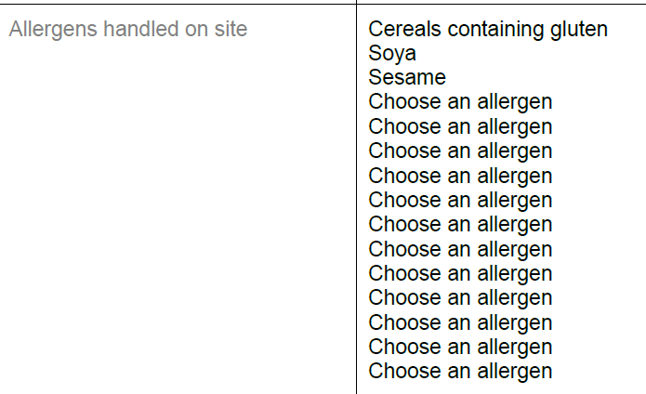
6.Product Composition
Ingredients | Components |  | % Composition | Supplier Names | Country of Origin | Genetically modified?
(Including E numbers and *functions for additives) | (if ingredient is composed of several sub-ingredients) |  | (Please list the ingredients in descending order) | (Please list all suppliers per ingredient)
water |  |  | 36.70% | China Wulanhot |  | China
soybeans |  |  | 28.80% | own farm |  | China
rice |  |  | 23.00% | own farm |  | China
salt |  |  | 11.50% | China Inner Mongolia |  | China
 |  | Total | 100.00%
*Please choose the functional of food additives from below: sweeteners / colours / preservatives / antioxidants / carriers / acids / acidity regulators / anti-caking agents / anti-foaming agents / bulking agents / bulking agents / emulsifiers / emulsifying salts / firming agents / flavor enhancers / foaming agents / gelling agents / glazing agents / humectants / modified starches / packaging gases / propellants / raising agents / sequestrants / stabilisers / thickeners / flour treatment agents / contrast enhancers
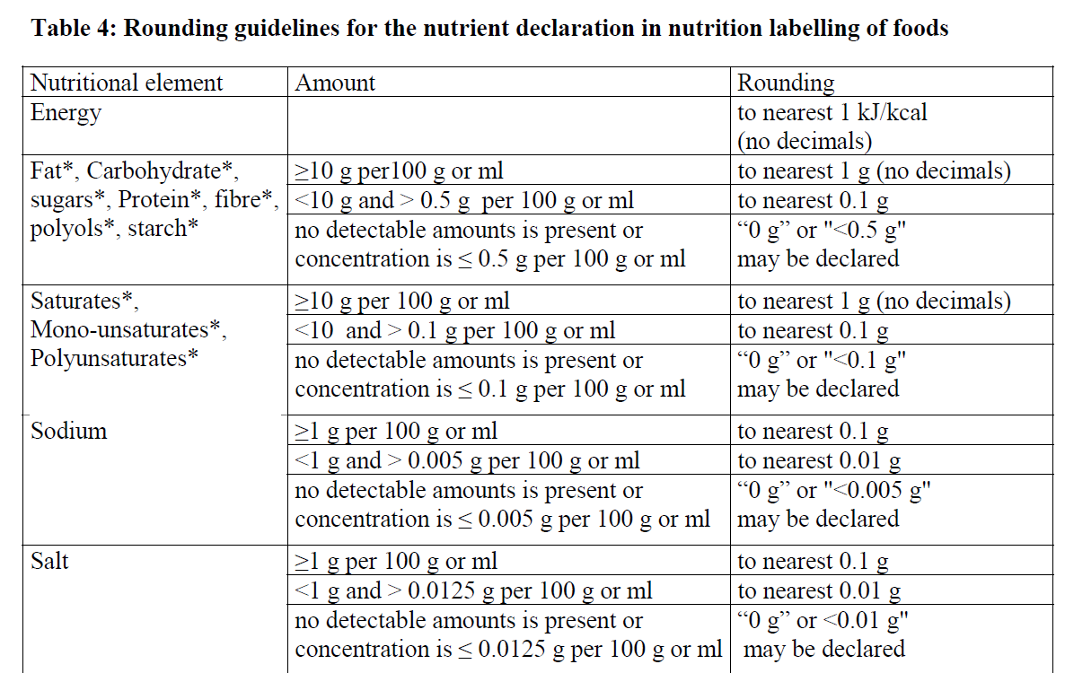
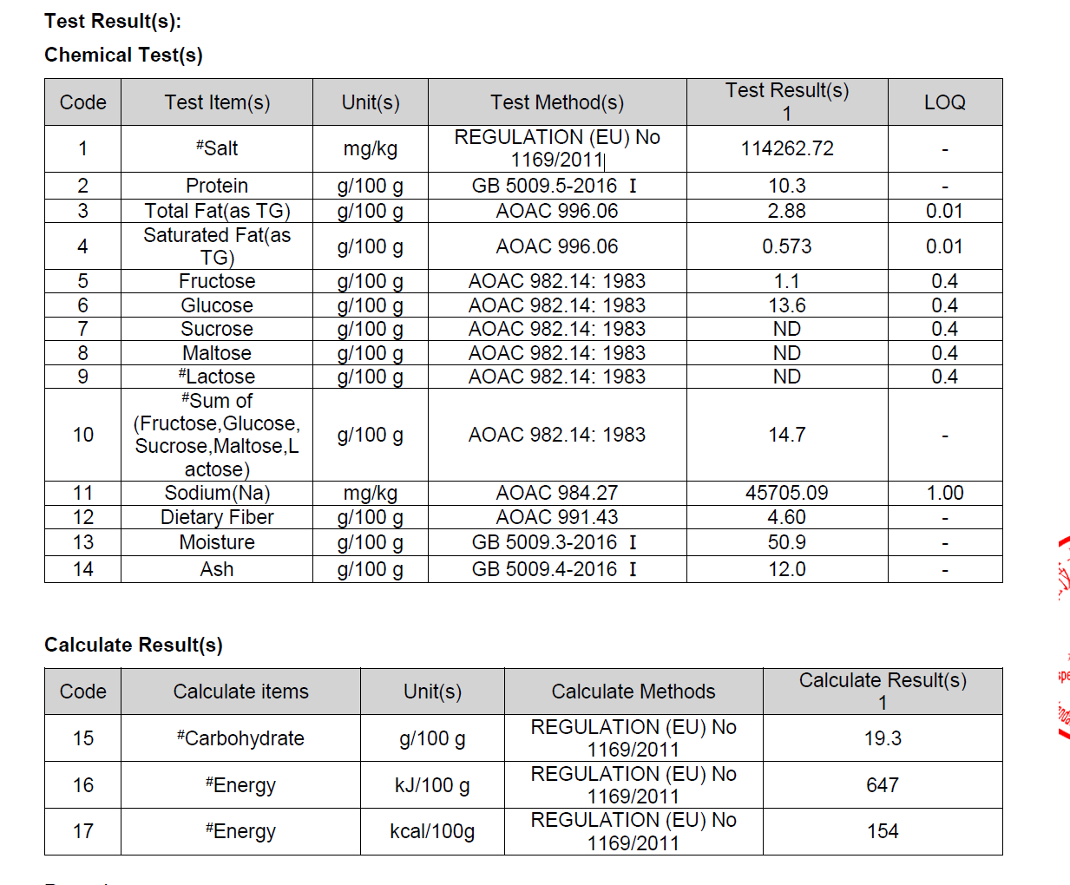
7.Nutritional Information | * Not Mandatory
Typical Values (g) | Per 100g/100ml
Energy (Kcal/KJ) | Kcal:154 KJ:647 |  |  |  |  |  |  | 0
Fat | 2.9 |  |  | 114262 | mg/1000g
of which saturate fat | 0.4 |  |  | 114.262 | g/1000g
of which monounsaturated fat* |  |  |  | 11.4 | g/100g
of which, polyunsaturated fat*
Carbohydrate | 19
of which sugar | 13
of which Polyols*
of which starch*
Fibre* | 4.6
Protein | 10
Salt | 11 |  | Sodium in mg x 2.5 /1000 = salt in g
NOTE: Must attach lab analyses report
8.The fourteen Allergens – Regulation (EU) No 1169/2011
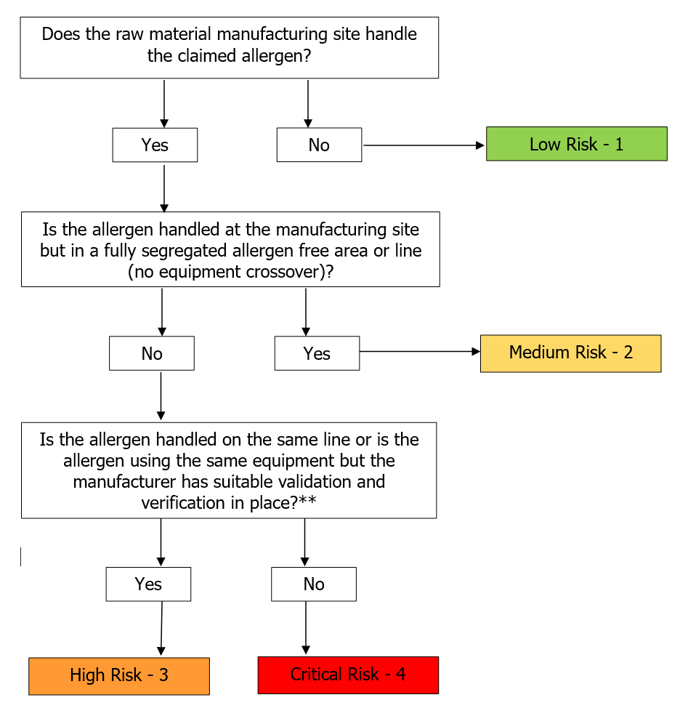
Potential Component |  | Product contains? | Handled on manufacturing site? | Handled on the same line or area with equipment corssover ? | Measures to prevent Cross-contamination | Risk Rating：Low risk /Medium Risk /High Risk /Critical Risk | Precautionary allergen labelling (May Contain statement) needed?
*Please tick in the box |  | Yes/No | Yes/No | Yes /No |  |  | Yes/No
Cereals containing gluten including wheat, Rye, Barley, Oats, Spelt & Khorasan and products thereof: |  | No | Yes | No | Yes | Medium | No
Crustaceans and products thereof: |  | No | No | N/A | Yes | Low | No
Fish and products thereof: |  | No | No | N/A | Yes | Low | No
Molluscs and products thereof: |  | No | No | N/A | Yes | Low | No
Peanuts and products thereof: |  | No | No | N/A | Yes | Low | No
Soybeans and products thereof: |  | Yes | N/A | N/A | N/A | N/A | N/A
Milk and products thereof: |  | No | No | N/A | Yes | Low | No
Nuts and products thereof: |  | No | No | N/A | Yes | Low | No
Celery and products thereof: |  | No | No | N/A | Yes | Low | No
Mustard and products thereof: |  | No | No | N/A | Yes | Low | No
Sesame seeds and products thereof: |  | No | Yes | No | Yes | Medium | No
Sulphur Dioxide or Sulphites: |  | No | No | N/A | Yes | Low | No
Lupin and products thereof: |  | No | No | N/A | Yes | Low | No
Egg and products thereof: |  | No | No | N/A | Yes | Low | No

9-14.Safety &Quality
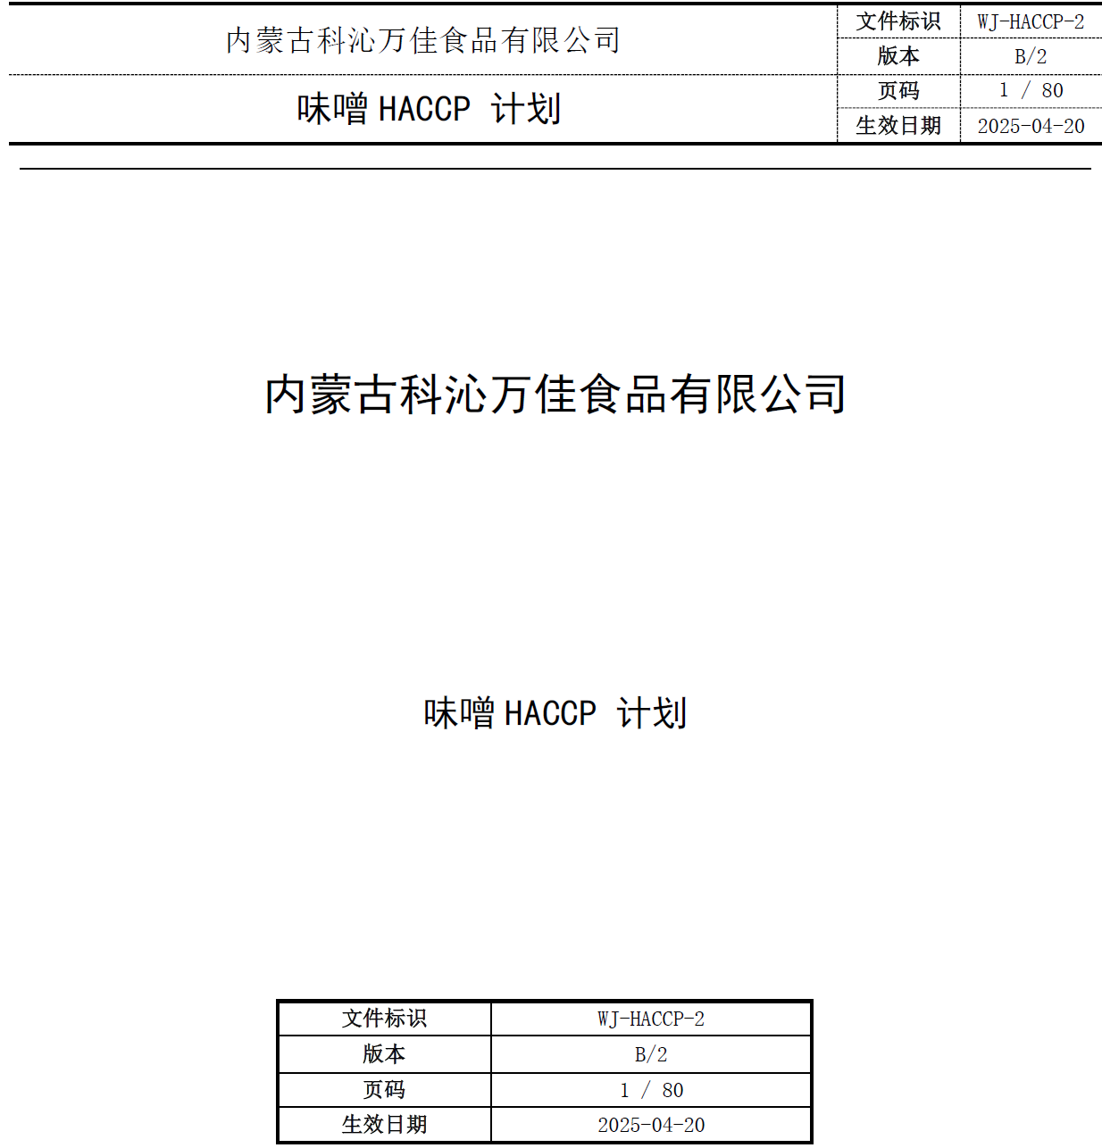
9.Chemical Standard & Harmful Contamination
Test Item Depends on the products, different pesticides, heavy metals, chemicals should be monitord. Fill in the items to be monitored according to the likely risk of contamination ; Example : Cadmium in seaweed, Acidity in sushi ginger |  | EU MRL standard/Recommendation | Country of Origin MRL Standard | Test Frequency
Lead（as Pb） |  | TBI to complete | ≤1.0mg/kg | once a year
Arsenic (as As） |  | TBI to complete | ≤0.5mg/kg | once a year
pH |  | TBI to complete | ≥4.5 | once a batch
Salt |  | TBI to complete | 10.5-13g/100ml | once a batch
10.Acrylamide
Are Products at risk of acrylamide? |  |  |  |  | NO
If Yes. What mitigation measures are in place to manage acrylamide levels with the food? |  |  |  |  | N/A
11.Radioactivity | *occurs naturally in all food and can be transferred into food in different ways eg crops from soil, drinking water from the earth, Fish and Shellfish from the water or Sea floor.
Has the product/ ingredient been irradiated? |  |  |  |  | NO
Is the product/ ingredient subject to potential radioactive cross contamination? |  |  |  |  | NO
If yes, what controls in place |  |  |  |  | N/A
Has the product/ ingredient been imported into the UK from a country that has high levels of radioactivity? |  |  |  |  | NO
If Yes, how is this controlled and what checks are carried out? |  |  |  |  | N/A
12.Microbiology Standards | *Please insert GB standard
Micro-organisms | Type | EU Standard | Country of Origin Government Standard | Manufacturer Own Standard | Test Frequency
TVC | Quality Indicator | <104 |  | ≤10000CFU/g | Every batch | *please clarify by filling in how many samples per day/PO rather than by each lot
Escherichia coli | Hygiene indicator | <20 |  | n=5,c=2,m=10,M=102 | Every batch
Enterobacteriaceae | Hygiene indicator | <100 |  | N/A | N/A
Listeria spp | Hygiene indicator | Not Detected |  | N/A | N/A
Listeria monocytogenes | Pathogens | Not Detected |  | N/A | N/A
Campylobacter spp. | Pathogens | Not Detected |  | N/A | N/A
Escherichia coli O157 | Pathogens | Not Detected |  | N/A | N/A
Salmonella spp. | Pathogens | Not Detected |  | n=5,c=0,m=0 | once a year
Shigella spp. | Pathogens | Not Detected |  | N/A | N/A
Vibrio cholera (O1 and O139) | Pathogens | Not Detected |  | N/A | N/A
Vibrio parahaemolyticus | Pathogens | <20 |  | N/A | N/A
Bacillus cereus | Pathogens | <103 |  | not detected | Every batch
Bacillus spp. | Pathogens | <103
Clostridium perfringens | Pathogens | <10
Staphylococcus aureus and other coagulase-positive staphylococci | Pathogens | <20 |  | n=5,c=1m=100,M=1000 | once a year
13.Acceptance and Rejection standard
Standard Product Photo & Description |  | Rejected Product Photo& Description
IE. Grading, Sizing, Appearance, Flavor/taste, Texture, Colour, smell |  | IE. Grading, Sizing, Appearance, Flavor/taste, Texture, Colour, smell
Appearance: light beige to yellow in color. Flavor/Taste: Proper taste, no bitter, no sour Aroma: yes Texture: creamy texture |  | Appearance: not in light beige to yellow in colour Flavor/Taste: no proper taste, bitter, sour Aroma: no Texture: not creamy

14.HACCP Plan including flow chat & CCPs
CCP | Control Measure |  | Critical Limit | Monitoring Frequency
HACCP plan ref WJ-HACCP-2 effective 20 April 2025 reviewed by Emma filed at Technical 4/folder 860034

14-16.Package &Pallet
145Quantity Attributes
 | Unit (g) | Case (kg)
Net Weight | 1000 | 10
Gross Weight | 1020 | 10.55
Is the product packed in a Protective atmosphere? (if yes, indicate the composition on gases used if applicable) |  |  |  | Yes/No | No
Is the product vacuum packed? |  |  | Yes/No | Yes/No | No
Primary Package Plastic Material Comply with Commission Regulation (EU) No 10/2011 |  |  | Yes/No | Yes/No | Yes
15.Packaging Weight Dimensions & Container Maxi Load
 | Material (plastic, cardbaord, glass, etc) | If plastic, indicate the plastictypes from below 01-07 | Weight (g) | Dimensions (mm)
Primary | PLASTIC/TRANSPARENT | PE | 20 | L | 103
Barcode: 5060740662062 |  |  |  | W | 74
 |  |  |  | H | 230
Secondary | CARTON/BROWN | PAPER | 350 | L | 400
Barcode: 35060740662063 |  |  |  | W | 250
 |  |  |  | H | 139
20FCL Max Load without palletized | 1799
40FCL Max Load without palletized

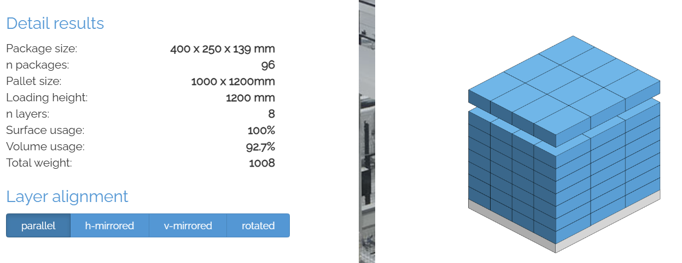
16.Pallet Configuration
 | UK Pallet Configuration (1.0m x 1.2m) | EU Pallet Configuration (0.8m x 1.2m)
Cases per layer | 12 | 9
Number of layers | 8 | 10
Cases/pallet | 96 | 90
Pallet height (m) incl pallet | 1.112 | 1.39
Pallet weight (kg) | 1012.8 | 949.5
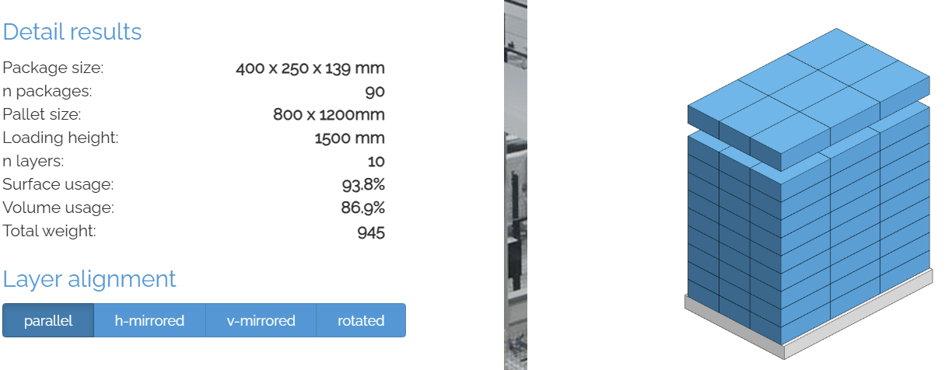
Pallet Top-View
*pallet height must lower than 1.75m & gross weight under 1000kg

